Application Page 3
Please indicate the Region/State for which you have a preference, in order of preference within each Region.
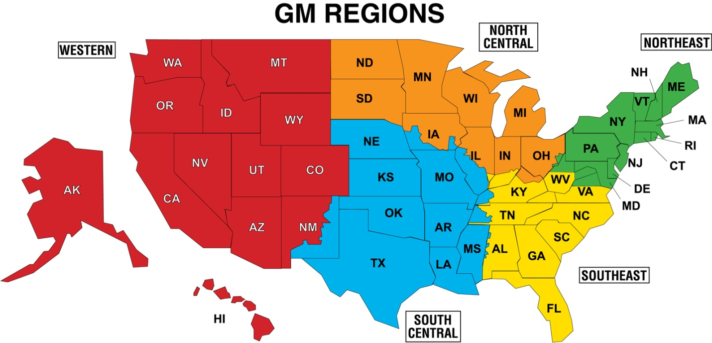

Above each Region, select your Regional Preference (1-5) from the drop down menu. Then, below each Region, select your desired States from the drop down menu.

 |  |  |  |  | Regional Preference
Western | South Central | Southeast | Northeast | North Central
 |  |  |  |  | Desired States

