Application Page 3
Please indicate the Region/State for which you have a preference, in order of preference within each Region.
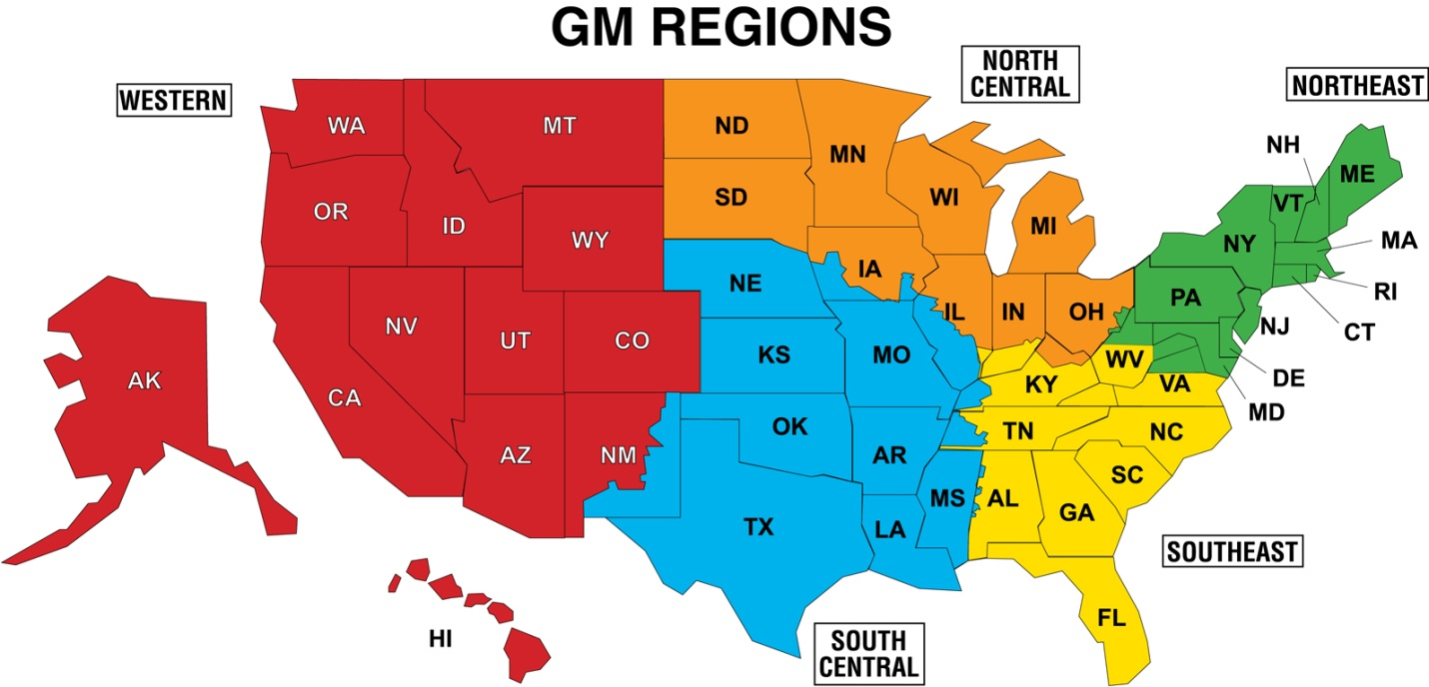

1) Above each Region, select Regional Preference (1-5) from the drop down menu. 2) Below each Region, select Desired States from the drop down menu.

 |  |  |  |  | 1) Select Regional Preference
Western | South Central | Southeast | Northeast | North Central
 |  |  |  |  | 2) Select Desired States

