Application Page 3
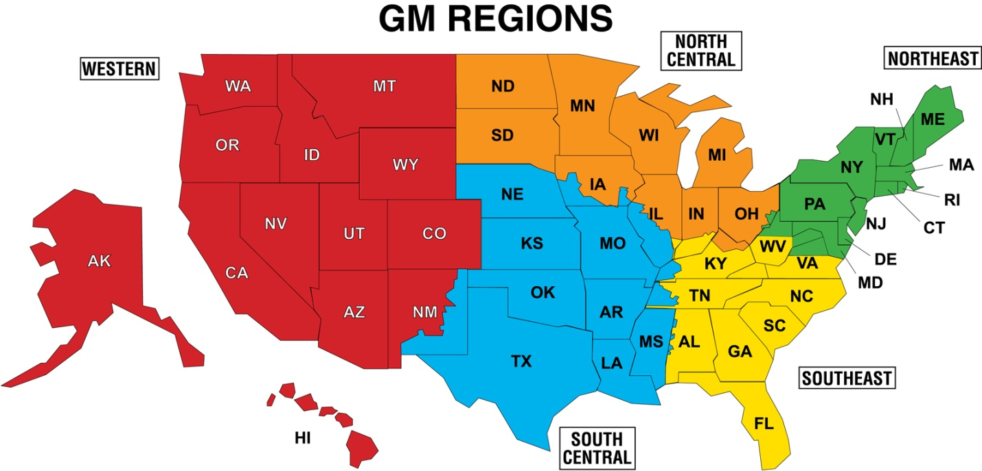

1) Above each Region, rate Regional Preference (1-5) from the dropdown menu. 2) Below each Region, select desired States from the dropdown menu. Include specific geographical details for State/Location selected in the last column.

 |  |  |  |  | Specific geographical details for State/Location selected
Western | South Central | Southeast | Northeast | North Central |  | 1) Select Regional Preference
 |  |  |  |  |  | 2) Select desired States/Location

